Fund 1 - Step by $
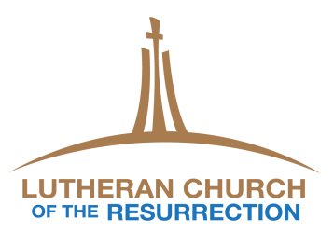
Lutheran Church of the Resurrection
Step Analysis - Dollars (2018 Giving Units)

 |  |  |  |  |  |  |  |  |  | 21 GU $251,295
 | Giving Units (GU) = those with assigned envelope numbers. There are a total of 275 Giving Units in 2018. |  |  |  |  |  |  |  | 5 GU $22,205 | $100.01+ per week
 |  |  |  |  |  |  |  | 11 GU $38,985 | $80.01-$100 per
 |  |  |  |  |  |  | 12 GU $33,200 | $65.01-$80 per week | week | 51.2%
 |  |  |  |  |  | 15 GU $32,823 | $50.01-$65 per week |  | 4.5%
 |  |  |  |  | 18 GU $30,166 | $40.01-$50 per week |  | 7.9%
 |  |  |  | 30 GU $35,440 | $30.01-$40 per week |  | 6.2%
 |  |  | 39 GU $31,142 | $20.01-$30 per week |  | 6.7%
% of Total $
 |  | 37 GU $13,310 | $10.01-$20 per week |  | 6.1%
 | 87 GU $6,466 | $5.01-$10 per week |  | 7.2% |  | Steps in Giving
 | $0.01-$5 per week |  | 6.1% |  |  | Weekly | Monthly (4 weeks) | Yearly
 |  | 2.7% |  |  |  | $2 | $8 | $104
 | 1.3% |  |  |  |  | $5 | $20 | $260
 |  |  |  |  |  | $10 | $40 | $520

